Parameters
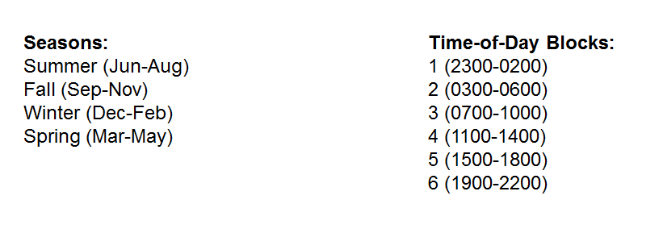
Parameters
MRR (MW) | 1400
Max Penalty Factor ($/MWh) | 850

